graph
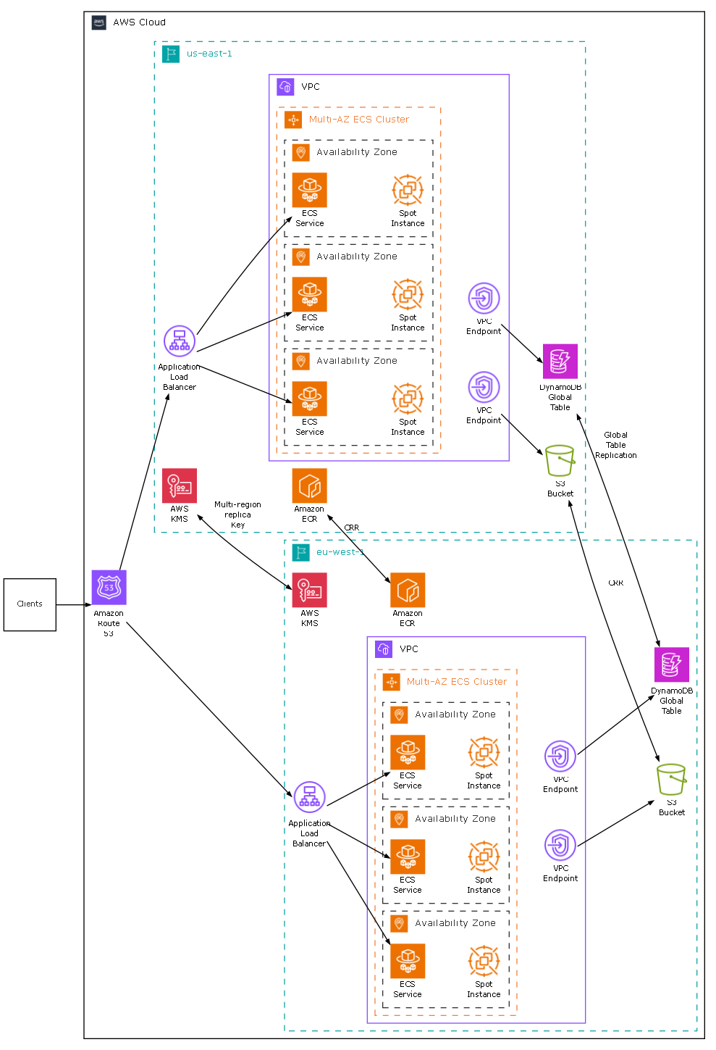

styles
Style Name | Description | Format | Properties | Style Type | All Styles | No Clusters | No Edges
node |  |  |  | node | yes | yes | yes
edge |  |  |  | edge | yes | yes | no
subgraph-open |  |  |  | subgraph-open | yes | no | yes | 
subgraph-close |  |  |  | subgraph-close | yes | no | yes
keyword |  |  |  | keyword | yes | yes | yes
native |  |  |  | native | yes | yes | yes
Flow |  | arrowsize="0.5" fontname=Verdana fontsize=8 radius=9 |  | edge | yes | yes | no
Flow - Both |  | dir=both arrowsize="0.5" fontname=Verdana fontsize=8 |  | edge | yes | yes | no
Flow - Dashed |  | style=dashed arrowsize="0.5" fontname=Verdana fontsize=8 |  | edge | yes | yes | no
Flow - Dotted |  | style=dotted arrowsize="0.5" fontname=Verdana fontsize=8 |  | edge | yes | yes | no
Flow - Negative |  | color=red arrowsize="0.5" fontname=Verdana fontsize=8 fontcolor=red |  | edge | yes | yes | no
Flow - Positive |  | color=darkgreen arrowsize="0.5" fontname=Verdana fontsize=8 fontcolor=darkgreen |  | edge | yes | yes | no
Invisible Edge |  | style=invis color=Invis |  | edge | yes | yes | no
Cloud Begin |  | labeljust=left fillcolor=White fontname=Verdana fontsize=10 style=filled label=<<table border="0" cellborder="0" cellspacing="0" cellpadding="0"><tr><td><img src="images\AWS-Cloud-logo_16.png" /></td><td>&nbsp;&nbsp;{label}</td></tr></table>> |  | subgraph-open | yes | no | yes | 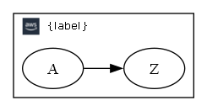
Cloud End |  |  |  | subgraph-close | yes | no | yes
Data Center Begin |  | labeljust=left labelloc=top pencolor="#13A5A6" fillcolor=White fontname=Verdana fontsize=10 fontcolor="#13A5A6" style="dashed,filled" label=<<table border="0" cellborder="0" cellspacing="0" cellpadding="0"><tr><td><img src="images\Region_16.png" /></td><td>&nbsp;&nbsp;{label}</td></tr></table>> |  | subgraph-open | yes | no | yes | 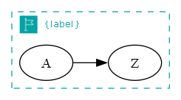
Data Center End |  |  |  | subgraph-close | yes | no | yes
VPC Begin |  | labeljust=left labelloc=top pencolor="#8C4FFF" fillcolor=White fontname=Verdana fontsize=10 fontcolor=Black style=filled label=<<table border="0" cellborder="0" cellspacing="0" cellpadding="0"><tr><td><img src="images\Arch_Amazon-Virtual-Private-Cloud_16.png" /></td><td>&nbsp;&nbsp;{label}</td></tr></table>> |  | subgraph-open | yes | no | yes | 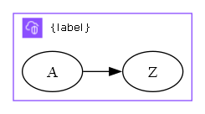
VPC End |  |  |  | subgraph-close | yes | no | yes
AZ Cluster Begin |  | labeljust=left labelloc=top pencolor="#F3843D" fillcolor=White fontname=Verdana fontsize=10 fontcolor="#F3843D" style="dashed,filled" label=<<table border="0" cellborder="0" cellspacing="0" cellpadding="0"><tr><td><img src="images\Arch_Amazon-EC2-Auto-Scaling_16.png" /></td><td>&nbsp;&nbsp;{label}</td></tr></table>> |  | subgraph-open | yes | no | yes | 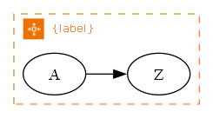
AZ Cluster End |  |  |  | subgraph-close | yes | no | yes
Availability zone Begin |  | labeljust=left labelloc=top pencolor="#333333" fillcolor=White fontname=Verdana fontsize=10 fontcolor="#333333" style="dashed,filled" label=<<table border="0" cellborder="0" cellspacing="0" cellpadding="0"><tr><td><img src="images\Arch_AWS-Local-Zones_16.png" /></td><td>&nbsp;&nbsp;{label}</td></tr></table>> |  | subgraph-open | yes | no | yes | 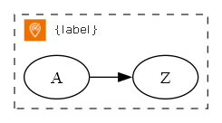
Availability zone End |  |  |  | subgraph-close | yes | no | yes
Amazon ECR |  | labelloc=bottom shape=box height="0.8125" width="0.5" fixedsize=True fillcolor=Transparent color="#ED7100" penwidth=0 fontname=Verdana fontsize=8 image="images\Arch_Amazon-Elastic-Container-Registry_48.png" imagescale=True imagepos=tc style=filled |  | node | yes | yes | yes
Application Load Balancer |  | labelloc=bottom shape=box height=1 width="0.5" fixedsize=True fillcolor=White color="#8C4FFF" penwidth=0 fontname=Verdana fontsize=8 image="images\Res_Elastic-Load-Balancing_Application-Load-Balancer_48.png" imagescale=True imagepos=tc style=filled |  | node | yes | yes | yes
AWS KMS |  | labelloc=bottom shape=box height="0.8125" width="0.5" fixedsize=True fillcolor=Transparent color="#DD344C" penwidth=0 fontname=Verdana fontsize=8 image="images\Arch_AWS-Key-Management-Service_48.png" imagescale=True imagepos=tc style=filled |  | node | yes | yes | yes
DynamoDB Global Table |  | labelloc=bottom shape=box height=1 width="0.5" fixedsize=True fillcolor=Transparent color="#C925D1" penwidth=0 fontname=Verdana fontsize=8 image="images\Arch_Amazon-DynamoDB_48.png" imagescale=True imagepos=tc style=filled |  | node | yes | yes | yes
ECS Service |  | labelloc=bottom shape=box height="0.8125" width="0.5" fixedsize=True color="#ED7100" penwidth=0 fontname=Verdana fontsize=8 image="images\Arch_AWS-Fargate_48.png" imagescale=True imagepos=tc |  | node | yes | yes | yes
S3 Bucket |  | labelloc=bottom shape=box height="0.8125" width="0.5" fixedsize=True fillcolor=Transparent color="#82A725" penwidth=0 fontname=Verdana fontsize=8 image="images\Res_Amazon-Simple-Storage-Service_Bucket_48.png" imagescale=True imagepos=tc style=filled |  | node | yes | yes | yes
Spot Instance |  | labelloc=bottom shape=box height="0.8125" width="0.5" fixedsize=True fillcolor=White color="#F3843D" penwidth=0 fontname=Verdana fontsize=8 image="images\Res_Amazon-EC2_Spot-Instance_48.png" imagescale=True imagepos=tc style=filled |  | node | yes | yes | yes
VPC Endpoint |  | labelloc=bottom shape=box height="0.8125" width="0.5" fixedsize=True fillcolor=White color="#8C4FFF" penwidth=0 fontname=Verdana fontsize=8 image="images\Res_Amazon-VPC_Endpoints_48.png" imagescale=True imagepos=tc style=filled |  | node | yes | yes | yes
Amazon Route 53 |  | labelloc=bottom shape=box height=1 width="0.5" fixedsize=True fillcolor=Transparent color="#8C4FFF" penwidth=0 fontname=Verdana fontsize=8 image="images\Arch_Amazon-Route-53_48.png" imagescale=True imagepos=tc style=filled |  | node | yes | yes | yes
Clients |  | shape=square height="0.75" width="0.75" fixedsize=True fillcolor=White fontname=Verdana fontsize=8 fontcolor="#333333" style=filled |  | node | yes | yes | yes

sql
 | SQL SELECT Statement | Data File | Status

# | Specify the workbook containing the data |  | SKIPPED
 | SET DATA FILE | AWS BOM.xlsx | SUCCESS

# | Optional statement to reduce the amount of nesting without having to modify the Cluster SQL statement |  | SKIPPED
 | SET CLUSTER LEVEL LIMIT = 5 |  | SUCCESS
✎
# | Create the clusters and nodes |  | SKIPPED
 | SELECT [Cloud] AS [CLUSTER1], 'AWS Cloud' AS [CLUSTER1 LABEL], 'Cloud' AS [CLUSTER1 STYLE NAME], [Data Center] AS [CLUSTER2], [Data Center] AS [CLUSTER2 LABEL], 'Data Center' AS [CLUSTER2 STYLE NAME], [VPC] AS [CLUSTER3], 'VPC' AS [CLUSTER3 LABEL], 'VPC' AS [CLUSTER3 STYLE NAME], [AZ Cluster] AS [CLUSTER4], [AZ Cluster] AS [CLUSTER4 LABEL], 'AZ Cluster' AS [CLUSTER4 STYLE NAME], [AZ Id] AS [CLUSTER5], 'Availability Zone' AS [CLUSTER5 LABEL], 'Availability zone' AS [CLUSTER5 STYLE NAME], [Node] AS [Item], [Node Type] AS [Label], [Node Type] AS [Style Name], 1 AS [Split Length] FROM [ComponentList$] WHERE [Node] IS NOT NULL |  | SUCCESS
# | Create the edges |  | SKIPPED
 | SELECT [Node From] AS [Item], [Node To] AS [Related Item], [Caption] AS [Label], [Connection Type] AS [Style Name] FROM [ComponentList$] WHERE [Node From] IS NOT NULL AND [Node To] IS NOT NULL |  | SUCCESS
# | Preview / Publish the graphs |  | SKIPPED
 | PREVIEW |  | SUCCESS
 | PUBLISH |  | SUCCESS

# |  |  | SKIPPED
# | ##################################################################################################### |  | SKIPPED
# | Quick Help |  | SKIPPED
# | ##################################################################################################### |  | SKIPPED
# |  |  | SKIPPED
# | Excel SQL Syntax |  | SKIPPED
# | https://exceltographviz.com/sql/syntax/ |  | SKIPPED
# |  |  | SKIPPED
# | Clear the 'data' worksheet |  | SKIPPED
# | RESET |  | SKIPPED
# |  |  | SKIPPED
# | Turn on/off logging of errors to file 'Relationship Visualizer ADO Log.txt' |  | SKIPPED
# | ENABLE LOGGING |  | SKIPPED
# | DISABLE LOGGING |  | SKIPPED
# |  |  | SKIPPED
# | Write environment diagonostic information to file 'Relationship Visualizer ADO Log.txt' |  | SKIPPED
# | LOG ENVIRONMENT |  | SKIPPED
# |  |  | SKIPPED
# | Specify the workbook containing the data |  | SKIPPED
# | SET DATA FILE | Put file name here | SKIPPED
# |  |  | SKIPPED
# | Set placeholder values for substitution into SQL. Wrap placeholder name in braces in the SQL. |  | SKIPPED
# | SET PLACEHOLDER placeholder_name = value |  | SKIPPED
# |  |  | SKIPPED
# | For example, to query for records matching the value "Metropolitan", assign Metropolitan to a placeholder, then use the placeholder name wrapped in braces in the SQL as static text in WHERE comparisons, label, or tooltip text. |  | SKIPPED
# | SET PLACEHOLDER subway_line = Metropolitan |  | SKIPPED
# | SELECT [station_from] AS [Item], [station_to] AS [Related Item], '{subway_line} Line' AS [Label], FROM [london_underground$] WHERE [tube_route] = '{subway_line}' |  | SKIPPED
# |  |  | SKIPPED
# | Create the edges |  | SKIPPED
# | SELECT [From Column] AS [Item], [To Column] AS [Related Item] FROM [Worksheet Name$] |  | SKIPPED
# | Create the nodes |  | SKIPPED
# | SELECT [Node Id Column] AS [Item], [Node Label Column] AS [Label], [Node Style Column] AS [Style Name] FROM [Worksheet Name$] WHERE ... |  | SKIPPED
# | Create edges which chain a set of nodes |  | SKIPPED
# | SELECT [Node Id Column] AS [ITEM], TRUE AS [CREATE EDGES] FROM [Worksheet Name$] WHERE ... |  | SKIPPED
# | Create a subgraph, with rank= constraint specified as either 'same' | 'min' | 'source' | 'max' | 'sink'. |  | SKIPPED
# | The rank attribute tells Graphviz how to line up the nodes inside a subgraph: - rank=same - all nodes sit on the same horizontal (or vertical) level. - rank=min - all nodes are pushed to the top (or left) of the graph. - rank=source - same as min, but Graphviz also ensures that only subgraphs marked source or min share that top/left rank. - rank=max - all nodes are pushed to the bottom (or right) of the graph. - rank=sink - same as max, but restricted to subgraphs marked sink or max. |  | SKIPPED
# | NOTE: Graphviz treats the minimum rank as the top/left edge of the layout and the maximum rank as the bottom/right edge. |  | SKIPPED
# | SELECT [Node Id Column] AS [ITEM], TRUE AS [CREATE RANK], 'same' AS [RANK] FROM [Worksheet Name$] WHERE ... |  | SKIPPED
# | Split text for labels at first blank after 10 characters |  | SKIPPED
# | SELECT [Label Column] AS [Label], 10 AS [SPLIT LENGTH], ... |  | SKIPPED
# | Specify the line ending (\l, \n, \r, | etc.) to use when splitting a label |  | SKIPPED
# | SELECT [Label Column] AS [Label], 10 AS [SPLIT LENGTH], '\r' AS [LINE ENDING], ... |  | SKIPPED
# | Multi-level - Group nodes into nested clusters. "n" levels of nesting supported, within max level limit on settings sheet |  | SKIPPED
# | SELECT [Cluster 1 Id Column] AS [CLUSTER1], [Cluster 1 Label Column] AS [CLUSTER1 LABEL], [Cluster 1 Style Name Column] AS [CLUSTER1 STYLE NAME], [Cluster 1 Attributes] AS [CLUSTER1 ATTRIBUTES], [Cluster 1 Tooltip Column] AS [CLUSTER1 TOOLTIP], [Cluster 2 Id Column] AS [CLUSTER2], [Cluster 2 Label Column] AS [CLUSTER2 LABEL], [Cluster 2 Style Name Column] AS [CLUSTER2 STYLE NAME], [Cluster 2 Attributes] AS [CLUSTER2 ATTRIBUTES], [Cluster 2 Tooltip Column] AS [CLUSTER2 TOOLTIP], [Node Id Column] AS [Item], [Node Label Column] AS [Label], [Node Style Name Column] AS [Style Name], ... |  | SKIPPED
# |  |  | SKIPPED
# | Specifies the number of cluster nestings permitted. Useful for folding clusters together without modifying the Cluster SQL statement. |  | SKIPPED
# | SET CLUSTER LEVEL LIMIT = 10 |  | SKIPPED
# |  |  | SKIPPED
# | LEGACY - Group nodes into a cluster |  | SKIPPED
# | SELECT [Cluster Id Column] AS [CLUSTER], [Cluster Label Column] AS [CLUSTER LABEL], [Cluster Style Name Column] AS [CLUSTER STYLE NAME], [Cluster Attributes] AS [CLUSTER ATTRIBUTES], [Cluster Tooltip Column] AS [CLUSTER TOOLTIP], [Node Id Column] AS [Item], [Node Label Column] AS [Label], [Node Style Name Column] AS [Style Name], ... |  | SKIPPED
# | LEGACY - Group nodes into two level clusters |  | SKIPPED
# | SELECT [Outer Cluster Id Column] AS [CLUSTER], [Outer Cluster Label Column] AS [CLUSTER LABEL], [Outer Cluster Style Name Column] AS [CLUSTER STYLE NAME], [Outer Cluster Attributes] AS [CLUSTER ATTRIBUTES], [Outer Cluster Tooltip Column] AS [CLUSTER TOOLTIP], [Inner Cluster Id Column] AS [SUBCLUSTER], [Inner Cluster Label Column] AS [SUBCLUSTER LABEL], [Inner Cluster Style Name Column] AS [SUBCLUSTER STYLE NAME], [Inner Cluster Attributes] AS [SUBCLUSTER ATTRIBUTES], [Inner Cluster Tooltip Column] AS [SUBCLUSTER TOOLTIP], [Node Id Column] AS [Item], [Node Label Column] AS [Label], [Node Style Name Column] AS [Style Name], ... |  | SKIPPED
# | Loop count substitution strings (useful in sortv= attributes, style names, and labels). {clc} = Cluster count / Absolute cluster number {scc} = Subcluster count / Relative cluster number within the parent cluster {rsc} = Record set count {level} = Level/depth of cluster nesting (Multi-level clustering only; not available in LEGACY clustering). |  | SKIPPED
# | SELECT 'sortv={clc}' AS [CLUSTER ATTRIBUTES], 'Border {clc} ' AS [CLUSTER STYLE NAME], 'sortv={scc}' AS [SUBCLUSTER ATTRIBUTES], 'sortv={rsc}' AS [Attributes], ... FROM [Worksheet Name$] WHERE ... ORDER BY [Outer Cluster Label Column] ASC, [Inner Cluster Label Column] ASC, [Node Label Column] ASC |  | SKIPPED
# | Enumerate a range to create nodes (e.g. For 1 to 5 by 1). |  | SKIPPED
# | SELECT TRUE AS [ENUMERATE], MIN(CLng([some-column])) AS [START AT], MAX(CLng([some-column])) AS [STOP AT], 1 AS [STEP BY], '{step}' AS [Item], '{step}' AS [Label], 'some-style' AS [Style Name] FROM [some-table$] WHERE IsNumeric([some-column]) |  | SKIPPED
# | Enumerate a range to create a chain of edges (e.g. For 1 to 5 by 1). See "CREATE EDGES" above. |  | SKIPPED
# | SELECT TRUE AS [CREATE EDGES], TRUE AS [ENUMERATE], MIN(CLng([some-column])) AS [START AT], MAX(CLng([some-column])) AS [STOP AT], 1 AS [STEP BY], '{step}' AS [Item] FROM [some-table$] WHERE IsNumeric([some-column]) |  | SKIPPED
# | ITERATE - For Header-Detail situations. Run a SQL statement to generate the ID values of the header records. For each ID value in the header, run a SQL statement. Generally used in situations where you need to process the data in chunks such as creating subgroups, or combining the values of multiple records into a single string. |  | SKIPPED
# | SELECT 'SELECT [some-column] AS [ID] FROM [some-table$]' AS [SQL FOR ID], 'SELECT [another-column] AS [ITEM], FROM [another-table$] WHERE [some-other-column] = ''{ID}'' ' AS [SQL FOR DATA], TRUE AS [ITERATE] |  | SKIPPED
# | ITERATE with CREATE RANK - Create subgraphs for each ID returned in the SQL FOR ID query. See "CREATE RANK" above. |  | SKIPPED
# | SELECT 'SELECT [some-column] AS [ID] FROM [some-table$]' AS [SQL FOR ID], 'SELECT [some-column] AS [ITEM], TRUE AS [CREATE RANK], ''same'' AS [RANK] FROM [another-table$] WHERE [some-other-column] = ''{ID}'' ' AS [SQL FOR DATA], TRUE AS [ITERATE] |  | SKIPPED
# | ITERATE with CONCATENATE - Build nodes, where each node lists all the matching records on separate lines within the label of a rectangle (due to \n separator). The fields emitted to the data worksheet are specified in the first SQL statement [SQL FOR ID]. (NOTE:The SQL passed as parameters has been kept to one line to reduce confusion). |  | SKIPPED
# | SELECT TRUE AS [ITERATE], 'SELECT DISTINCT [some-column] AS [ID], [some-column] AS [Item], [another-column] AS [Label], ''shape=rectangle'' AS [Attributes] FROM [some-table$]' AS [SQL FOR ID], 'SELECT [another-column] AS [Label] FROM [some-table$] WHERE [some-column] = ''{ID}'' AND [some-column] IS NOT NULL' AS [SQL FOR DATA], TRUE AS [CONCATENATE], 'Label' AS [FIELD], 'Label' AS [ASSIGN TO], '' AS [PREFIX], '' AS [SUFFIX], '\n' AS [SEPARATOR] |  | SKIPPED
# | ITERATE with CONCATENATE - Build nodes, where each node lists all the matching records on separate cells within the label of a record (due to | separator). The fields emitted to the data worksheet are specified in the first SQL statement [SQL FOR ID]. (NOTE:The SQL passed as parameters has been kept to one line to reduce confusion). |  | SKIPPED
# | SELECT TRUE AS [ITERATE], 'SELECT DISTINCT [some-column] AS [ID], [some-column] AS [Item], [another-column] AS [Label], ''shape=record'' AS [Attributes] FROM [some-table$]' AS [SQL FOR ID], 'SELECT [another-column] AS [Label] FROM [some-table$] WHERE [some-column] = ''{ID}'' AND [some-column] IS NOT NULL' AS [SQL FOR DATA], TRUE AS [CONCATENATE], 'Label' AS [FIELD], 'Label' AS [ASSIGN TO], '{' AS [PREFIX], '}' AS [SUFFIX], '|' AS [SEPARATOR] |  | SKIPPED
# | Show the graph immediately after all SQL statements processed |  | SKIPPED
# | PREVIEW [ AS ( DIRECTED | UNDIRECTED ) GRAPH ] |  | SKIPPED
# |  |  | SKIPPED
# | Publish graphs as files |  | SKIPPED
# | PUBLISH [ ALL VIEWS ] [ AS ( DIRECTED | UNDIRECTED ) GRAPH ] [ file prefix ] |  | SKIPPED
#

